Cover



Created By:
Munasar Muhidin
S45469429
Systems Developer

Main Menu


Ticket Holder Detail

Season Ticket Details
Summary

Charts

End


Cover

Ticket-Holder Details
Main Menu
Season Ticket Holders Chelsea FC

Title | First Name | Surname | 1st line Address | Post Code | Email | Mobile NO. | Age | Gender | Ticket Type | Allocated Seat | App Successful
Mr | Mervin | Shovelbottom | 5 Dryden Pass | H17 IOP | tiltchev3@prlog.org | 527-614-6161 | 33 | Male | £554.00 | Z4-Child | No
Ms | Clarita | Ody | 053 Talmadge Plaza | R12 STU | ddrage6@list-manage.com | 989-489-4235 | 28 | Female | £116.00 | Z3-Student | No
Mr | Adamo | Breinl | 5592 Jackson Road | O17 FHD | mdecruzed@apache.org | 626-955-2760 | 33 | Male | £116.00 | Z3-Student | No
Mr | Bondy | Sissons | 49682 Clove Park | M57 HTU | fbravenj@cisco.com | 832-428-9128 | 61 | Male | £421.00 | Z2-Adult | No
Mr | Paton | Tredwell | 19 Cordelia Lane | I43 THB | pcrelliml@reference.com | 933-881-4660 | 38 | Male | £642.00 | Z1-Adult | No
Ms | Bennie | Rushford | 1 Menomonie Park | GHG 289 | cslaffordq@ca.gov | 410-550-7376 | 32 | Female | £816.00 | Z4-Adult | No
Ms | Cathy | Hamelyn | 3 Cascade Way | RJ38 38 | bmcgorley12@smugmug.com | 960-221-2003 | 40 | Female | £642.00 | Z1-Adult | No
Mr | Archie | Guiel | 517 West Trail | HD 99 | mpietruszka15@nhs.uk | 331-505-8465 | 30 | Male | £210.00 | Z3-Adult | No
Ms | Phyllys | Kinneally | 18297 Hauk Way | L47 HUH | kcrawcour17@cam.ac.uk | 869-615-8968 | 73 | Female | £532.00 | Z2-OAP | No
Mr | Heindrick | Brogioni | 18 Westend Center | S37 GHU | lfinlay1b@tiny.cc | 465-999-0647 | 19 | Male | £692.00 | Z2-Student | No
Mrs | Laurene | Van Driel | 51840 Calypso Avenue | VIF 594 | ebenediktsson1d@nasa.gov | 684-811-1481 | 15 | Female | £79.00 | Z3-Child | No

Summary
Summary ...

 |  | Percentage |  |  | Profit
Profit | £19,381.00 | 80% |  | Current
Loss | £4,820.00 | 20% |  | Status
Total | £24,201.00 | 100%

Amount of applicants gained | 39 | 78%
How many declined (No) | 11 | 22%
Total (accepted/declined) | 50 | 100%

Females joined | 27 | 54% | Female
How many Male | 23 | 46% | Male
Total | 50 | 100% | Total

How much £ Yes values | £19,381 | 80% |  | 65 + | Under18s
How much £ of No values | £4,820 | 20% |  | 6 | 7
 | £24,201 | 100%

Charts
Main Menu
 | Charts

Seat Prices
Z1-Child | £613.00
Z1-Student | £505.00
Z1-OAP | £875.00
Z1-Adult | £642.00
Z2-Child | £673.00
Z2-Student | £692.00
Z2-OAP | £532.00
Z2-Adult | £421.00
Z3-Child | £79.00
Z3-Student | £116.00
Z3-OAP | £530.00
Z3-Adult | £210.00
Z4-Child | £554.00
Z4-Student | £355.00
Z4-OAP | £642.00
Z4-Adult | £816.00
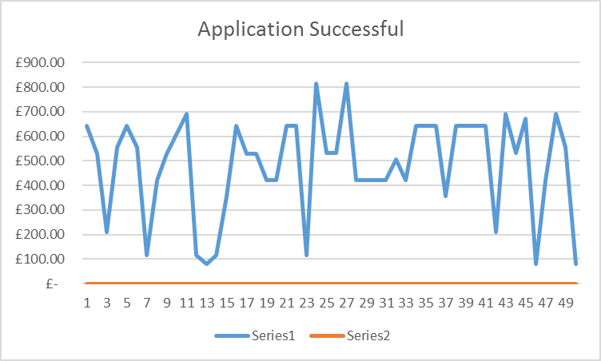

The bar chart is used to read how much money spent on each zone. The scatter graph is used to see the fluctuation of the currency flow.

